Sheet1
 |  | 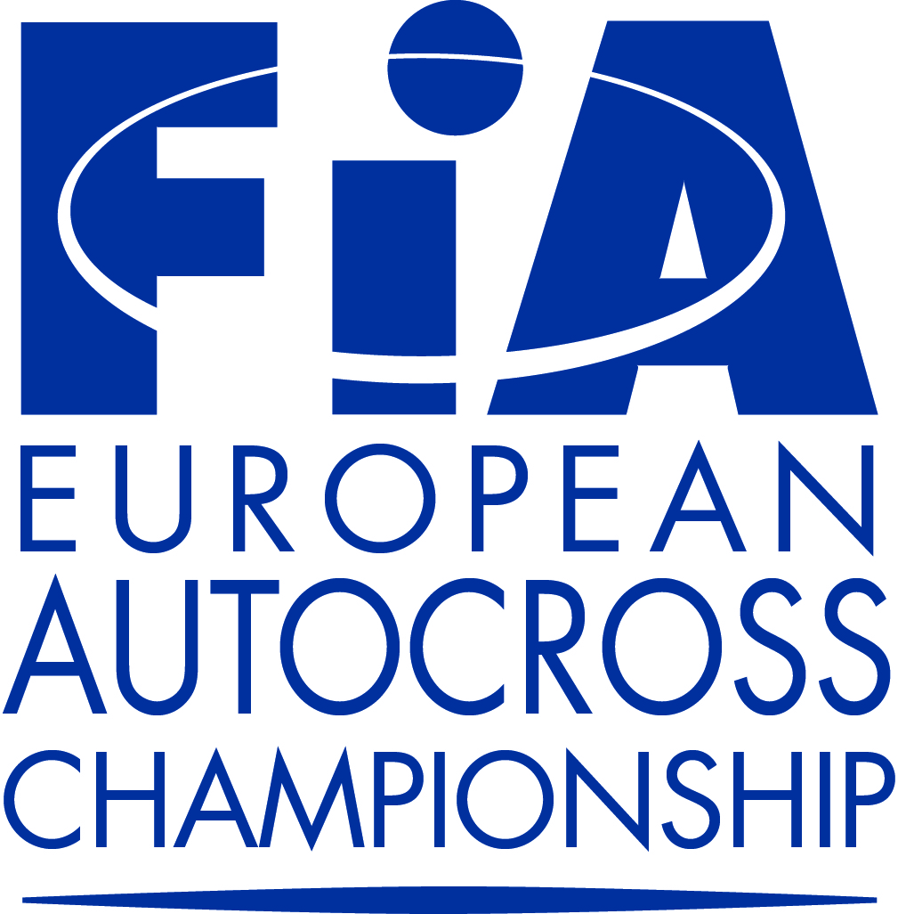
ENTRY FORM
FIA EUROPEAN CHAMPIONSHIPS FOR AUTOCROSS DRIVERS

EVENT: SEELOW COUNTRY: GERMANY DATE: 09.-10.05.2015

ORGANISER |  |  | CLOSING DATE(S) FOR ENTRIES
Name: MC Seelow e.V. |  |  | The entries must reach the organiser by:
Address: Post Box 20, D- 15301 SEELOW
Tel: +49 (0) 1575 2098 386 |  |  | for entries at normal fee 200 € 23.04.2015
Fax: +49 (0) 3346 675 9999 |  |  | for entries at increased fees 250 € 30.04.2015
E-Mail: office@mc-seelow.de Internet: www.mc-seelow.de

COMPETITOR

Name: |  |  | FIA Division: |  | Touring AX

Nationality: |  |  |  |  | Buggy 1600

Address: |  |  |  |  | Super Buggy

 |  |  |  |  | Junior Buggy

Tel:

Fax: |  |  | Start number:

E-mail:
 | W.Albers@Wezendonk.nl

DRIVER |  |  | Competition licence numbers :

Name: |  |  | Competitor:

Surname:

Date of Birth: |  |  | Driver:

Nationality: |  |  | Signature:

Address: |  |  | Competitor:

Tel: |  |  | Driver:

Fax:

E-mail: |  |  | Date:

A.S.N. (Visa Stamp):

Make: |  | Model |  | cc |  | hp

FIA - Homologation N° |  | FIA Technical Passport N°

Transponder N°

Turbo: | Yes | 4WD: | Yes | Weight: |  |  | kg

We confirm that we have read and understood the provisions of the International Sporting Code, the Autocross Technical Regulations and the Autocross Sporting Regulations and we agree, on our own behalf and on behalf of everyone associated with our participation in the FIA European Championships for Autocross drivers, to observe and be bound by them (as supplemented or amended). We declare that we have examined this Entry Form and that the information given is true, correct and complete. We understand that any change to the details given on this Entry Form must be notified to the organiser.

